SheetR1 Summary
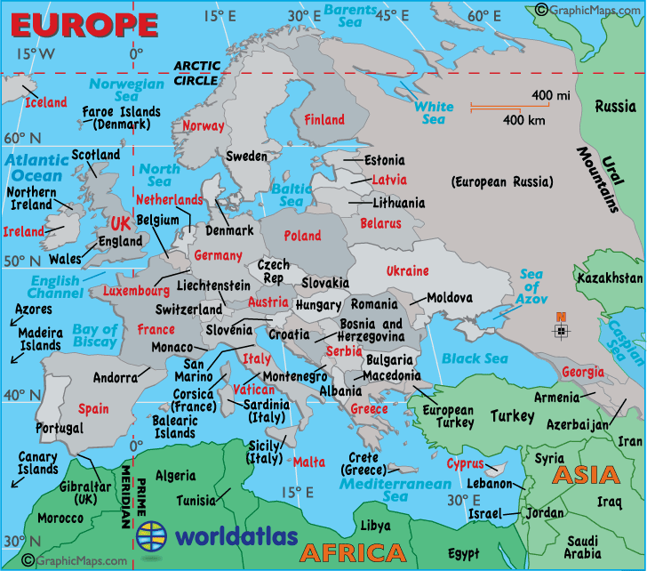
 |  |  | x
 |  |  | x
 |  |  | x
 |  |  | x
 |  |  | x
 |  |  | x
 |  |  | x
 |  |  | x
1990- | 2020- | total | x
2 |  | 237 | x
5 |  | 68 | x
7 |  | 305 | x
 |  |  | x
23 |  | 611 | x
14 |  | 99 | x
37 |  | 710 | x
 |  |  | x
0 |  | 84 | x
5 |  | 44 | x
5 |  | 128 | x
 |  |  | x
19 |  | 146 | x
3 |  | 69 | x
22 |  | 215 | x
1990- | 2020- | total | x
0 |  | 0 | x
0 |  | 0 | x
0 |  | 0 | x
 |  |  | x
6 |  | 117 | x
8 |  | 62 | x
14 |  | 179 | x
 |  |  | x
0 |  | 187 | x
10 |  | 39 | x
10 |  | 226 | x
 |  |  | x
24 | 1 | 176 | x
3 | 0 | 26 | x
27 | 1 | 202 | x
 |  |  | x
0 |  | 7 | x
0 |  | 0 | x
0 |  | 7 | x
 |  |  | x
0 |  | 33 | x
0 |  | 13 | x
0 |  | 46 | x
...

